Chart 1
Return to Index

 | Chart 1 - Health spending per head across Devolved Administrations (England = 100)
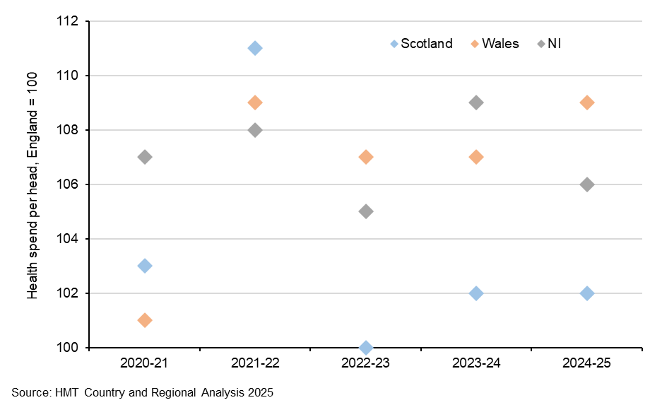

 |  | 2020-21 | 2021-22 | 2022-23 | 2023-24 | 2024-25
 | England | 100 | 100 | 100 | 100 | 100
 | Scotland | 103 | 111 | 100 | 102 | 102
 | Wales | 101 | 109 | 107 | 107 | 109
 | NI | 107 | 108 | 105 | 109 | 106

Chart 2
Return to Index

 | Chart 2 - Historic spending and needs assessments

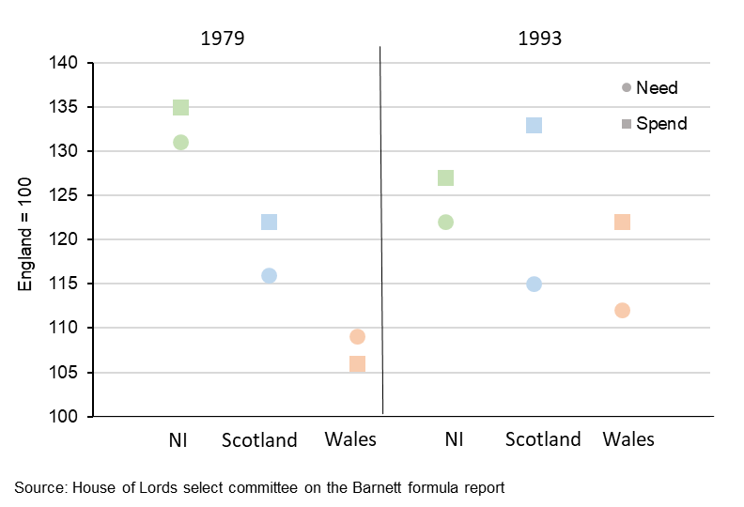

 |  |  | Need | Spend
 | 1979 | NI | 131 | 135
 |  | Scotland | 116 | 122
 |  | Wales | 109 | 106
 | 1994 | NI | 122 | 127
 |  | Scotland | 115 | 133
 |  | Wales | 112 | 122

Chart 3
Return to Index

 | Chart 3 - Premium of spending per head above England compared to need (Holtham and NIFC estimates) for SR 20 (2021-22) and SR 21 (average of 2022-23 and 2023-24)
 | SR20 | SR21
Scotland | 129 | 126
Wales | 123 | 120
NI | 127 | 124

 |  | SR20 | SR21 | Need | SR20 | SR21
 | Scotland | 129 | 126 | 105 | 24 | 21
 | Wales | 123 | 120 | 115 | 8 | 5
 | NI | 127 | 124 | 124 | 3 | -

Chart 4
Return to Index

 | Chart 4 – devolved funding premia over SR2025

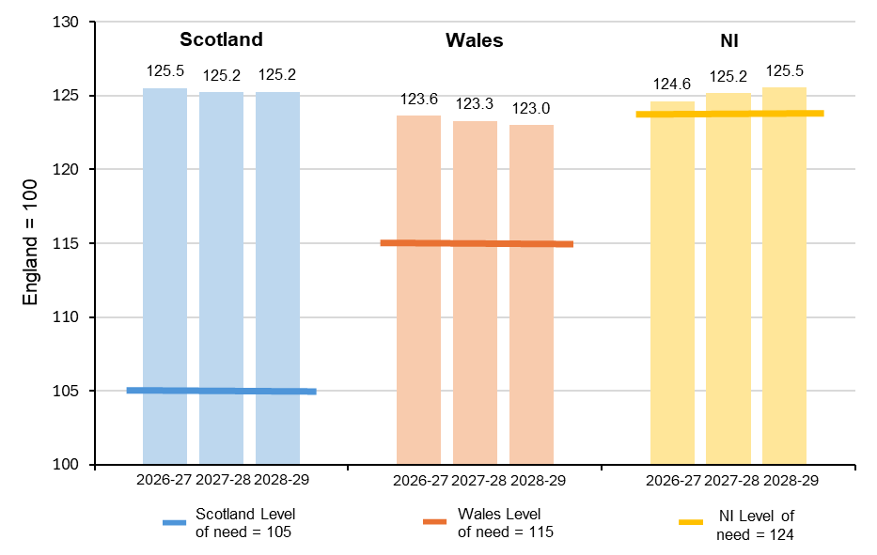

 |  | Scotland | Wales | NI
 | 2026-27 | 125.5 | 123.6 | 124.6
 | 2027-28 | 125.2 | 123.3 | 125.2
 | 2028-29 | 125.2 | 123.0 | 125.5

Chart C1
Return to Index

 | Chart C1 - Components of NI's funding premium

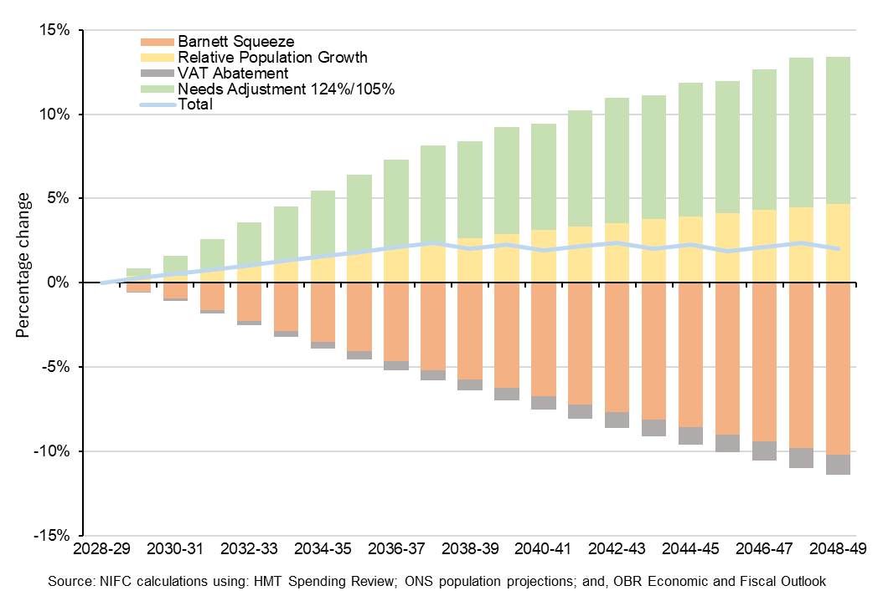

 |  | Barnett Squeeze | Relative Population Growth | VAT Abatement | Needs Adjustment 124%/105% | Total
 | 2028-29 | - | - | - | - | -
 | 2029-30 | -0.0055 | 0.0041 | -0.0005 | 0.0045 | 0.0026
 | 2030-31 | -0.0095 | 0.0042 | -0.0013 | 0.0118 | 0.0052
 | 2031-32 | -0.0162 | 0.0070 | -0.0020 | 0.0190 | 0.0078
 | 2032-33 | -0.0226 | 0.0099 | -0.0028 | 0.0259 | 0.0104
 | 2033-34 | -0.0289 | 0.0128 | -0.0035 | 0.0327 | 0.0131
 | 2034-35 | -0.0350 | 0.0156 | -0.0042 | 0.0393 | 0.0157
 | 2035-36 | -0.0408 | 0.0184 | -0.0049 | 0.0456 | 0.0183
 | 2036-37 | -0.0465 | 0.0211 | -0.0055 | 0.0518 | 0.0209
 | 2037-38 | -0.0520 | 0.0238 | -0.0062 | 0.0578 | 0.0235
 | 2038-39 | -0.0573 | 0.0264 | -0.0068 | 0.0577 | 0.0200
 | 2039-40 | -0.0625 | 0.0289 | -0.0074 | 0.0635 | 0.0225
 | 2040-41 | -0.0675 | 0.0312 | -0.0080 | 0.0632 | 0.0190
 | 2041-42 | -0.0723 | 0.0334 | -0.0085 | 0.0689 | 0.0215
 | 2042-43 | -0.0770 | 0.0355 | -0.0091 | 0.0744 | 0.0239
 | 2043-44 | -0.0815 | 0.0376 | -0.0096 | 0.0738 | 0.0202
 | 2044-45 | -0.0859 | 0.0395 | -0.0101 | 0.0791 | 0.0226
 | 2045-46 | -0.0901 | 0.0413 | -0.0107 | 0.0784 | 0.0189
 | 2046-47 | -0.0942 | 0.0431 | -0.0111 | 0.0836 | 0.0213
 | 2047-48 | -0.0982 | 0.0448 | -0.0116 | 0.0887 | 0.0237
 | 2048-49 | -0.1020 | 0.0465 | -0.0121 | 0.0876 | 0.0200

Chart C2
Return to Index

 | Chart C2 - The difference between 2022- and 2024-based population projections

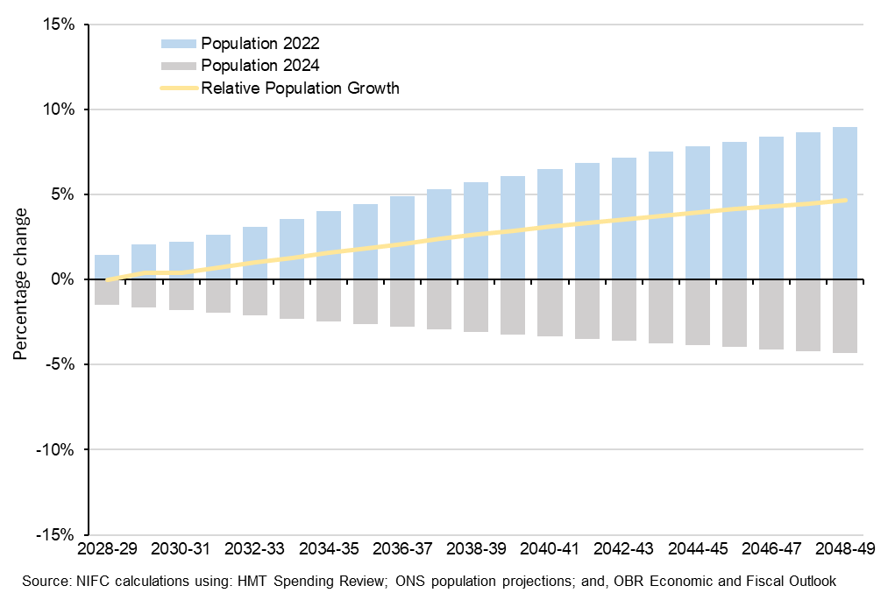

 |  | Population 2022 | Population 2024 | Relative Population Growth
 | 2028-29 | 0.0146 | -0.0146 | -
 | 2029-30 | 0.0205 | -0.0164 | 0.0041
 | 2030-31 | 0.0222 | -0.0180 | 0.0042
 | 2031-32 | 0.0266 | -0.0196 | 0.0070
 | 2032-33 | 0.0311 | -0.0212 | 0.0099
 | 2033-34 | 0.0356 | -0.0228 | 0.0128
 | 2034-35 | 0.0401 | -0.0244 | 0.0156
 | 2035-36 | 0.0444 | -0.0260 | 0.0184
 | 2036-37 | 0.0488 | -0.0276 | 0.0211
 | 2037-38 | 0.0530 | -0.0292 | 0.0238
 | 2038-39 | 0.0571 | -0.0307 | 0.0264
 | 2039-40 | 0.0610 | -0.0321 | 0.0289
 | 2040-41 | 0.0647 | -0.0336 | 0.0312
 | 2041-42 | 0.0683 | -0.0349 | 0.0334
 | 2042-43 | 0.0717 | -0.0362 | 0.0355
 | 2043-44 | 0.0750 | -0.0374 | 0.0376
 | 2044-45 | 0.0781 | -0.0386 | 0.0395
 | 2045-46 | 0.0811 | -0.0398 | 0.0413
 | 2046-47 | 0.0839 | -0.0409 | 0.0431
 | 2047-48 | 0.0867 | -0.0419 | 0.0448
 | 2048-49 | 0.0894 | -0.0429 | 0.0465

Chart C3
Return to Index

 | Chart C3 - 2024-based population projections, growth rates to 2026

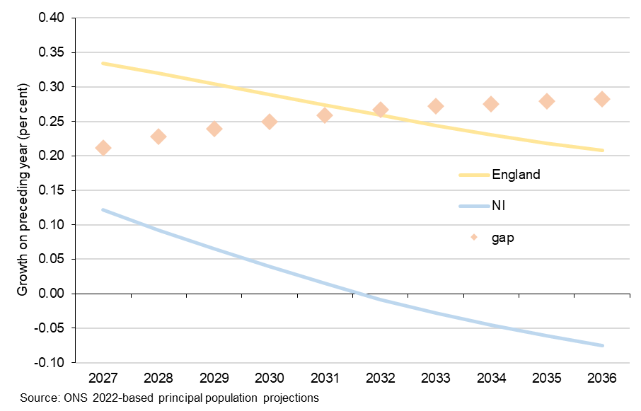

 |  | 2025 | 2026 | 2027 | 2028 | 2029 | 2030 | 2031 | 2032 | 2033 | 2034 | 2035 | 2036
 | NI population | 1,931,301 | 1,934,180 | 1,936,545 | 1,938,324 | 1,939,582 | 1,940,347 | 1,940,634 | 1,940,471 | 1,939,927 | 1,939,054 | 1,937,878 | 1,936,429
 | growth | - | 0.15% | 0.12% | 0.09% | 0.06% | 0.04% | 0.01% | -0.01% | -0.03% | -0.05% | -0.06% | -0.07%
 | Eng population | 58,829,244 | 58,951,205 | 59,148,234 | 59,337,395 | 59,517,870 | 59,689,702 | 59,853,157 | 60,008,116 | 60,154,788 | 60,293,598 | 60,425,280 | 60,550,770
 | growth | - | 20.7% | 33.4% | 32.0% | 30.4% | 28.9% | 27.4% | 25.9% | 24.4% | 23.1% | 21.8% | 20.8%
 | gap | - | 0.21% | 0.33% | 0.32% | 0.30% | 0.29% | 0.27% | 0.26% | 0.24% | 0.23% | 0.22% | 0.21%

Figure C1
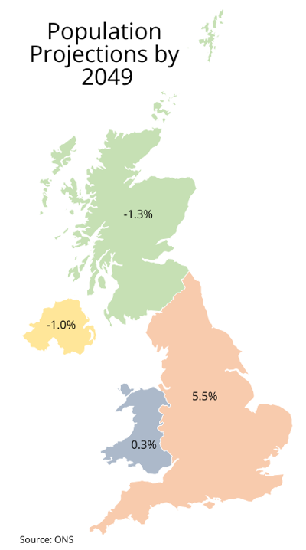
Return to Index

 | Figure 1 – change in populations in parts of the UK to 2049

Chart C4
Return to Index

 | Chart C4 – Projected annual population growth UK and constituent countries 2023-47

 | England | Wales | Scotland | Northern Ireland | United Kingdom
2023 | 1.4 | 1.06 | 0.92 | 0.48 | 1.32
2024 | 1.14 | 0.83 | 0.77 | 0.39 | 1.07
2025 | 0.99 | 0.73 | 0.63 | 0.33 | 0.93
2026 | 0.83 | 0.63 | 0.5 | 0.27 | 0.78
2027 | 0.68 | 0.52 | 0.36 | 0.21 | 0.64
2028 | 0.53 | 0.42 | 0.23 | 0.14 | 0.49
2029 | 0.52 | 0.4 | 0.23 | 0.11 | 0.48
2030 | 0.5 | 0.39 | 0.22 | 0.08 | 0.46
2031 | 0.49 | 0.37 | 0.21 | 0.05 | 0.45
2032 | 0.48 | 0.36 | 0.21 | 0.03 | 0.44
2033 | 0.46 | 0.34 | 0.2 | 0.01 | 0.43
2034 | 0.45 | 0.33 | 0.18 | -0.01 | 0.41
2035 | 0.44 | 0.31 | 0.17 | -0.03 | 0.4
2036 | 0.43 | 0.3 | 0.16 | -0.04 | 0.39
2037 | 0.42 | 0.29 | 0.15 | -0.05 | 0.38
2038 | 0.41 | 0.28 | 0.14 | -0.06 | 0.37
2039 | 0.41 | 0.27 | 0.12 | -0.07 | 0.37
2040 | 0.4 | 0.27 | 0.11 | -0.07 | 0.36
2041 | 0.39 | 0.26 | 0.1 | -0.07 | 0.35
2042 | 0.38 | 0.26 | 0.09 | -0.08 | 0.34
2043 | 0.38 | 0.25 | 0.08 | -0.08 | 0.34
2044 | 0.37 | 0.25 | 0.07 | -0.08 | 0.33
2045 | 0.36 | 0.24 | 0.06 | -0.09 | 0.32
2046 | 0.35 | 0.24 | 0.05 | -0.1 | 0.31
2047 | 0.35 | 0.23 | 0.04 | -0.11 | 0.31

 | Year | England | Wales | Scotland | Northern Ireland | United Kingdom
 | 2023 | 1.4 | 1.06 | 0.92 | 0.48 | 1.32
 | 2024 | 1.14 | 0.83 | 0.77 | 0.39 | 1.07
 | 2025 | 0.99 | 0.73 | 0.63 | 0.33 | 0.93
 | 2026 | 0.83 | 0.63 | 0.50 | 0.27 | 0.78
 | 2027 | 0.68 | 0.52 | 0.36 | 0.21 | 0.64
 | 2028 | 0.53 | 0.42 | 0.23 | 0.14 | 0.49
 | 2029 | 0.52 | 0.40 | 0.23 | 0.11 | 0.48
 | 2030 | 0.50 | 0.39 | 0.22 | 0.08 | 0.46
 | 2031 | 0.49 | 0.37 | 0.21 | 0.05 | 0.45
 | 2032 | 0.48 | 0.36 | 0.21 | 0.03 | 0.44
 | 2033 | 0.46 | 0.34 | 0.20 | 0.01 | 0.43
 | 2034 | 0.45 | 0.33 | 0.18 | -0.01 | 0.41
 | 2035 | 0.44 | 0.31 | 0.17 | -0.03 | 0.40
 | 2036 | 0.43 | 0.30 | 0.16 | -0.04 | 0.39
 | 2037 | 0.42 | 0.29 | 0.15 | -0.05 | 0.38
 | 2038 | 0.41 | 0.28 | 0.14 | -0.06 | 0.37
 | 2039 | 0.41 | 0.27 | 0.12 | -0.07 | 0.37
 | 2040 | 0.40 | 0.27 | 0.11 | -0.07 | 0.36
 | 2041 | 0.39 | 0.26 | 0.10 | -0.07 | 0.35
 | 2042 | 0.38 | 0.26 | 0.09 | -0.08 | 0.34
 | 2043 | 0.38 | 0.25 | 0.08 | -0.08 | 0.34
 | 2044 | 0.37 | 0.25 | 0.07 | -0.08 | 0.33
 | 2045 | 0.36 | 0.24 | 0.06 | -0.09 | 0.32
 | 2046 | 0.35 | 0.24 | 0.05 | -0.10 | 0.31
 | 2047 | 0.35 | 0.23 | 0.04 | -0.11 | 0.31

Chart C5
Return to Index

 | Chart C5 – Devolved populations as a proportion of England’s

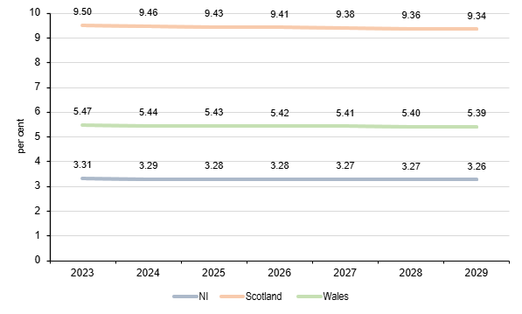

 | Year | NI | Scotland | Wales
 | 2023 | 3.31 | 9.50 | 5.47
 | 2024 | 3.29 | 9.46 | 5.44
 | 2025 | 3.28 | 9.43 | 5.43
 | 2026 | 3.28 | 9.41 | 5.42
 | 2027 | 3.27 | 9.38 | 5.41
 | 2028 | 3.27 | 9.36 | 5.40
 | 2029 | 3.26 | 9.34 | 5.39

