Figure 1
Return to Index

 | Figure 1: Multi- and single-year Budgets in NI since 2011
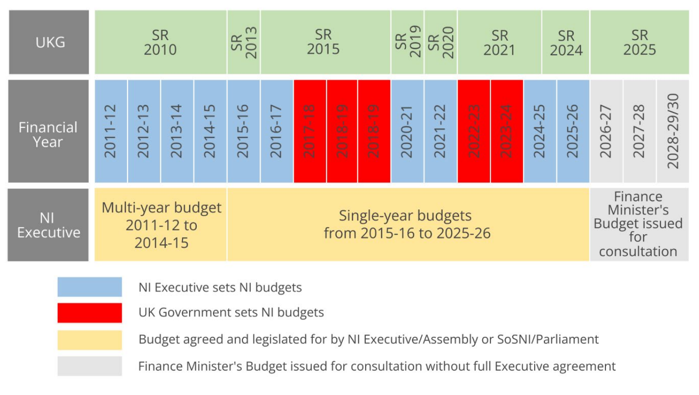

Chart 1.1
Return to Index

 | Chart 1.1: Comparison of 2026-27 resource budgets with 2025-26 Final plan

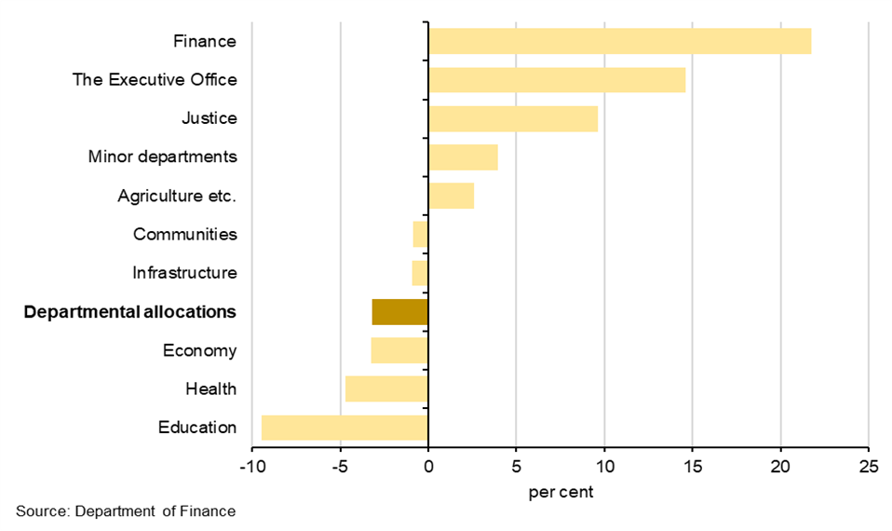

 |  | £ million | Change 2025-26 Final plan to 2026-27 budget (%)
 |  | Education | -9.5
 |  | Health | -4.7
 |  | Economy | -3.2
 |  | Departmental allocations | -3.2
 |  | Infrastructure | -0.9
 |  | Communities | -0.9
 |  | Agriculture etc. | 2.6
 |  | Minor departments | 3.9
 |  | Justice | 9.6
 |  | The Executive Office | 14.6
 |  | Finance | 21.7

Chart 3.3
Return to Index

 | Chart 3.3: Real-terms change in Block Grant on previous year under three scenarios

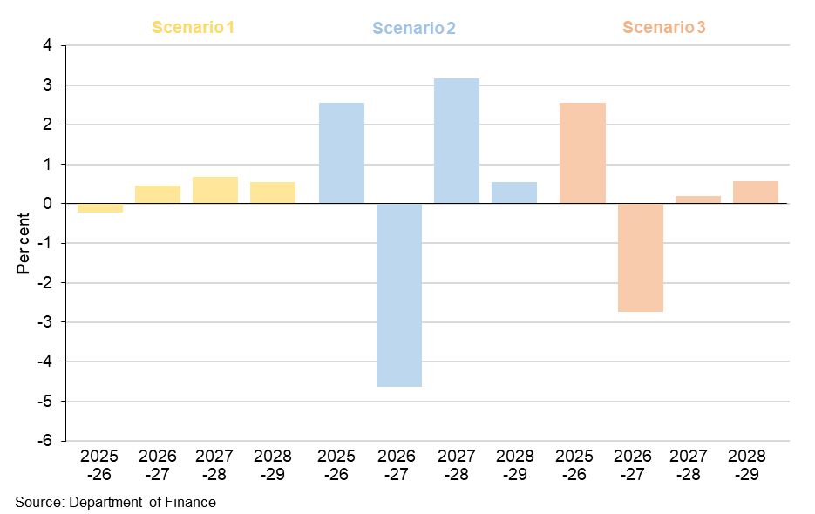

 |  | 2025-26 | 2026-27 | 2027-28 | 2028-29
 | Scenario 1 = no reserve claim | -0.2 | 0.5 | 0.7 | 0.5
 | Scenario 2 = £400m reserve fully repaid in 2026-27 | 2.6 | -4.6 | 3.2 | 0.5
 | Scenario 3 = £400m reserve repaid £80m in 2026-27, £160m repaid in 2027-28 & 2028-29 | 2.6 | -2.7 | 0.2 | 0.6

Chart 4.1
Return to Index

 | Chart 4.1: 2026-27 resource budget (including earmarked items) compared with 2025-26 Final plan
Education | -9.4542589145
Health | -4.6903881701
Economy | -3.2491660434
Departmental allocations | -3.1759649617
Infrastructure | -0.93768905021
Communities | -0.87673559783
Agriculture etc. | 2.570502002
Minor departments | 3.920782672
Justice | 9.6234798877
The Executive Office | 14.588668923
Finance | 21.743364987

 | £ million | Change 2025-26 Final plan to 2026-27 budget (%)
 | Education | -9.5
 | Health | -4.7
 | Economy | -3.2
 | Departmental allocations | -3.2
 | Infrastructure | -0.9
 | Communities | -0.9
 | Agriculture etc. | 2.6
 | Minor departments | 3.9
 | Justice | 9.6
 | The Executive Office | 14.6
 | Finance | 21.7

Chart 4.2
Return to Index

 | Chart 4.2: NI public sector workforce per head compared to England

 |  |  | 124 124 124 124 |  | horizontal |  | 124 124 124 124 |  | 124 Barnett top up
NI | 146.11865187 |  | 1 | 124 | 124 |  | 1 |  | 124
NI | 183.32870578 |  |  | 124 |  |  |  |  | 124
NI | 149.22581726 |  |  | 124 |  |  |  |  | 124
NI | 137.49211571 |  |  | 124 |  |  |  |  | 124
NI | 130.67115131 |  |  |  |  |  |  |  | 124
NI | 123.32185772 |  |  |  |  |  |  |  | 124

 | Sector | Comparison vs England=100
 | Total public sector | 146
 | Civil service (comparability adjusted) | 183
 | Health | 149
 | Police | 137
 | Teachers | 131
 | Civil service | 123

Chart 4.3
Return to Index

 | Chart 4.3: Public sector employment as a percentage of overall employment, by nation and region of the UK (English regions shown in grey)
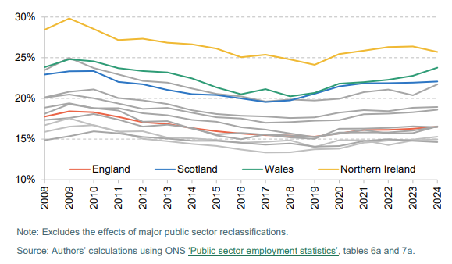

 | Scottish public sector employment and pay | Institute for Fiscal Studies

