Figure 3.1
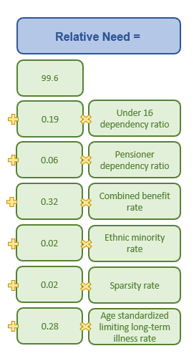
Back to Index

 | Figure 3.1 - Holtham Commission formula for calculating relative need in the Devolved Administrations (England =100)

